Sheet1
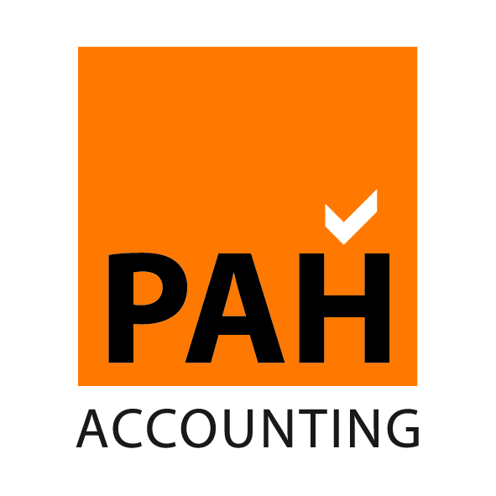
PAH Accounting
Sole Trader vs Limited Company

 | Anticipated Profits |  | 0
 | Annual Gross Salary |  | 0

 |  | Sole Trader | Limited Company

 | Annual Trading Profit | 0 | 0
 | Additional Costs (est) |  | (400)

 | Trading profit before Salary | 0 | (400)

 | Salary |  | 0

 | Employers NIC on directors Salary |  | 0

 | Profit before tax | 0 | (400)

 | Corporation Tax |  | (84)

 | Profit after tax available for dividends |  | (316)

 | Dividend available (net) |  | (316)

 | Profits remaining in the company |  | 0

 | Tax Payable
 | On Profits | (1,295) | (84)
 | On Salary |  | 0

 | NIC Payable
 | Class 1 (Salary) |  | 0
 | Employers NI |  | 0
 | Class 2 (Fixed Contribution) | 125
 | Class 4 (On Profits) | 0

 | Total Tax and NIC | (1,170) | (84)

 | Tax saving |  | (1,086)

 | Assumptions
*1 | Based on tax rates for 2009/10 fiscal year
*2 | Individual only wants to pay Basic Rate tax as an employee
*3 | Individual has no other income
*4 | There are no benefits in kind
*5 | No pension contributions paid to increase threshold

 | Disclaimer
 | This calculation is provided for illustration purposes only. It does not constitute
 | financial or legal advice. Professional assistance should be sought prior to incorporating
 | any company.

